COVER PAGE
MARULENG MUNICIPALITY

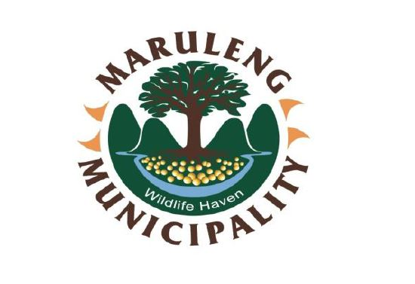

ADJUSTED SDBIP
2025-26

INTRODUCTION
SERVICE DELIVERY AND IMPLEMENTATION PLAN (SDBIP) 2025-26
1. INTRODUCTION

The Service Delivery and Budget Implementation Plan (SDBIP) seeks to promote municipal accountability and transparency and is an important instrument for service delivery and budgetary monitoring and evaluation. The SDBIP is a partnership contract between the administration, council and community which expresses the goals and objectives, set by the council as quantifiable outcomes that can be implemented by the administration over the next 12 months.

Diagram 1
SDBIP “contract”
SDBIP
Service delivery targets (by Top Manager and by Ward)
Performance indicators
Revenue and Expenditure by Vote

Council Administration
IDP

COMMUNITY

Employee Contracts and annual Performance agreements for the municipal manager & Senior managers

2. LEGISLATION

This DRAFT SDBIP was done in terms of Section 53 ( c) ( ii) of the MFMA, Act 56 of 2003 which focuses on the following:
(a) Projections for each month of:
· Revenue to be collected, by source, and
· Operational and capital expenditure, by vote;
(b) Service delivery targets and performance indicators for each quarter.

In terms of National Treasury Circular No. 13 the SDBIP must provide a picture of service delivery areas, budget allocations and enable monitoring and evaluation. It specifically requires the SDBIP to include;
· Monthly projections of revenue to be collected for each source;
· Monthly projections of expenditure (operating and capital) and revenue for each vote
· Quarterly projections of service delivery targets and performance indicators for each vote;
· Ward Information for expenditure and service delivery; and
· Detailed capital works plan broken over three years

In terms of Sections 69 (3) (a) and (b) of the MFMA the accounting officer of a municipality must submit to the Mayor within 14 days after the approval an annual budget, a draft SDBIP for the budget year and drafts of the annual performance plans as required in terms of Section 57 (1) (b) of the Municipal Systems Act (MSA) for the municipal manager and all senior managers. Furthermore, according to Section 53 (1) (c) (ii) and (iii) of the MFMA, the Mayor is expected to approve the SDBIP within 28 days after the approval of the budget.
The Maruleng Local Municipality’s 2025/2026 Medium- term Budget and Integrated Development Plan (IDP) have been approved by Council on 29 May 2025 in terms of the MFMA and the MSA respectively. The process leading to the draft Budget, IDP and business plans, which have an important bearing on the finalizations of the SDBIP, includes the following elements:
Departmental business plans/departmental SDBIPs. These departmental SDBIPs provide the details plans and targets according to which the department’s performance will be monitored.
The departmental SDBIPs contain performance plans of senior managers. The performance plans were formulated in terms of the IDP sector plans and the operational mandates relevant to each department. The performance plans forms the basis for the signing of the annual performance agreements of the Municipal Manager and Senior Managers. The SDBIP represents the key performance targets as captured across core departments.

METHODOLOGY
Methodology and Content

The development of the SDBIP was influenced by the Priorities, Strategic Objectives, Programme Objectives and Strategies contained in the IDP
ensuring progress towards the achievement thereof. The SDBIP of Maruleng Local Municipality (MLM) is aligned to the Key Performance Areas (KPAs)
Spatial Rationale as another KPA to be focused upon.
The methodology followed by MLM in the development of the SDBIP is line with National Treasury Framework contained in the Framework for Managing
Programme Performance Information.
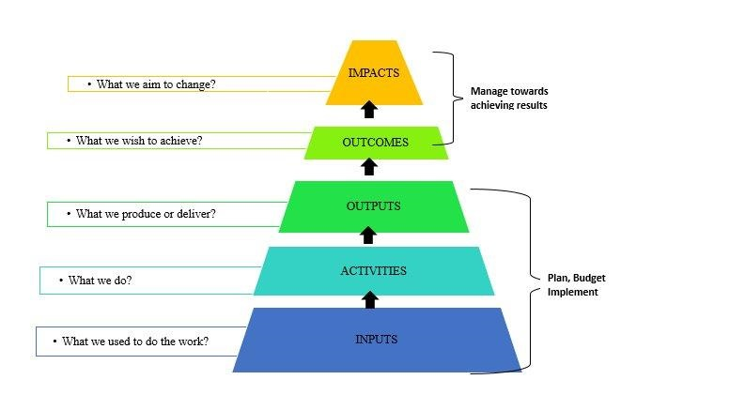

STRATEGIC INTENT
1. STRATEGIC INTENT

The strategic vision of the organization sets the long term goal the Municipality wants to achieve. Maruleng Local Municipality’s vision is one that “wishes” for access of basic services for to all, where a strong economy exists. The vision is:
To be the powerhouse of socio-economic development through sustainable and integrated agriculture and tourism
The Mission of the Municipality speaks about the existence or reason for being of Maruleng Municipality and how the vision will be achieved:
Slogan " WILDLIFE HAVEN
The Municipality has developed a comprehensive strategy on how it would be able to measure progress the attainment thereof. The strategy consists of strategic objectives identified and then arranged on the different Balance Scorecard perspective for a Strategy Map. The Strategy Map is shown on the page below:
VALUES
Value for money
Professionalism
Honesty
Accessible
Transparency
Accountability

STRATEGIC OBJECTIVES
1. Improve Community Well-Being Through Accelerated Service Delivery
2.Promote Local Economic Development
3. PuttingPeople First
4. Sound Financial Management
5. Promote Integrated Human Settleements and Agrarian Reform
6. Develop Partnerships
7.Promote Inter-governmental Functio and Coordination
8. Build Capable Institutions and Administration

STRATEGIC OBJECTIVES IN A STRATEGY MAP
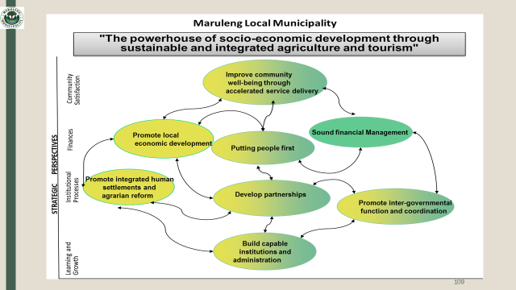

SB12
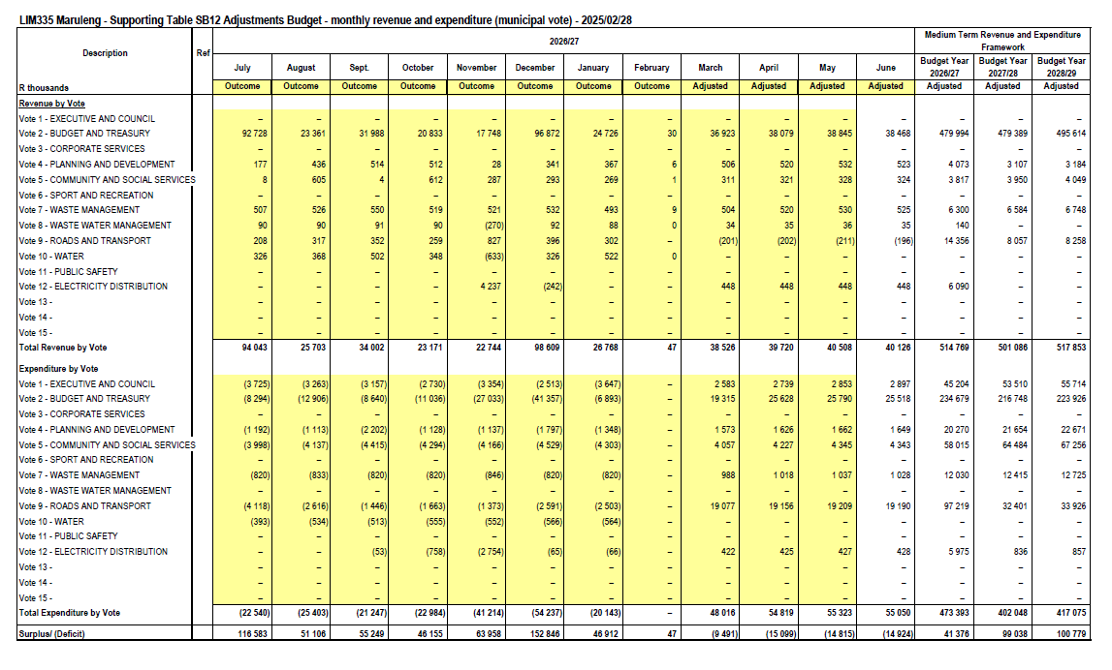

SB15
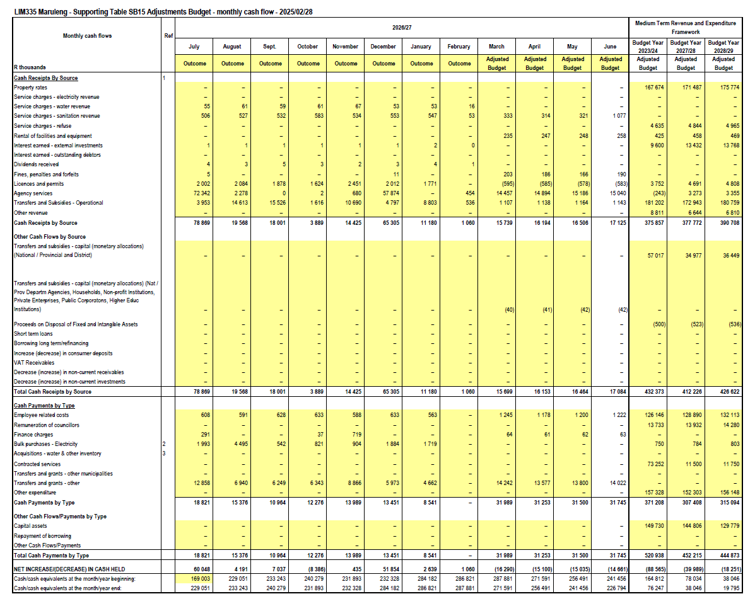

SB16
